How to use the Spreadsheet
How to use the spreadsheet?
(Editing on my spreadsheet is disabled, so please make a copy for yourself to sort to your filter criteria)
Step 1 | Go to "file"
Step 2 | Click on "make a copy" | 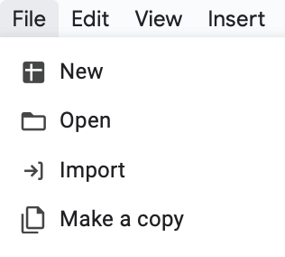
Step 3 | Select the location to save, start using the spreadsheet

What do the colours mean?
 | Did not fulfil the criteria of more than 10 Google reviews at the point of reviewing (21 March 2023)
 | More than 1 branch available, only the one with the most reviews is included. Stalls in grey box are branches of a similar brand (refer to remarks column to see which branch was reviewed)
 | Stall was closed for more than 2 visits that we made.
 | Stall was gone/changed/permanently closed down.
 | Stall fulfilled criteria but was omitted because it is located in a school.
 | 4 best stalls in Singapore

How to sort out the spreadsheet?
Step 1 | Select a factor you want to know, eg. "Cost per gram"
Step 2 | Click on the triangle in the "Cost per gram" box
Step 3 | Click "sort from A to Z" if you want to know which stall serves more chicken per dollar, click "sort from Z to A" if you want to know which stall charges more | 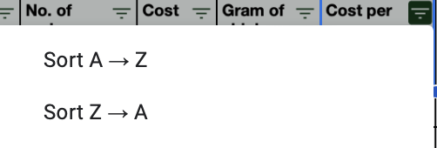
(You could sort the other columns too, eg number of Google Reviews, Google stars, E.coli count, rating for chicken/rice/soup or overall rating)

